Sheet1
Test scenario ID | Test scenario description | Test case ID | Test case Description | Test step | Test data | Expected Result | Actual result | Status | Priority | Executed By | Remark | Screenshots | Screenshots
TS_lpg_001 | Verify the login functionality of lpg dms login page | TC_lpgdms_Login_001 | verfify login functionality sign in page | 1.enter valid url url"http://myerp.mygasagency.com/" 2.click on sign in btn | all field ->blank | show msg"please enter userid,agancycode and password" | show msg "please enter userid" | fail | high | Maya | show msg"please enter userid,agancycode and password"
TS_lpg_002 | Verify the genral master -> disignation functionality of lpg dms | TC_lpgdms_gm_disignation_001 | Verify disignation list export btn functionality | 1. user login to lpg dms 2.open designation master form 3.in designation list 4.click on export btn ->open download xml file->check records same as web or not | Genral master | same record as per web | count not same | fail | high | Maya | count not same | 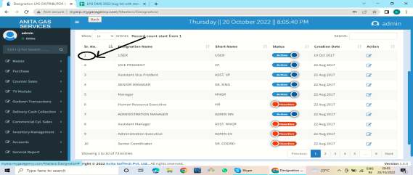 | 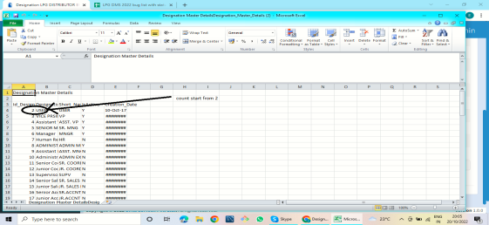
TS_lpg_003 | Verify the genral master -> product master functionality of lpg dms | TC_lpgdms_gm_productmaster_001 | Verify product master form clear functionality | 1. user login to lpg dms 2.enter valid product name it allows 50 characters and numbers only 3.enter valid product code it allows 10 numbers and characters 4.enetr valid description it allows multiple characters 5.select unit of mesurement from dropdown check dropdown is clickable or not 6.select inventory method ,check dropdown is clickable or not 7.click on gst check clickable or not 8. click on active check box is clickable or not 9.click on clear btn check clickable or not | product master | user shoulde able to view all field clear sucessfully | user should able to view all field cleared sucessfully but one filled not cleared select inventory method dropdown | Fail | high | Maya | 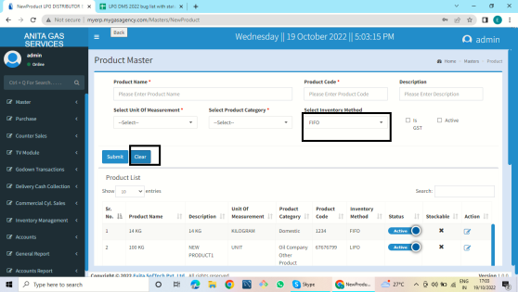 select inventory method dropdown
TS_lpg_004 | Verify the genral master -> product master functionality of lpg dms | TC_lpgdms_gm_productmaster_001 | Verify product master form functionality export btn | 1.user login to lpg dms 2.clcik on master ->genral master->product master ->product list >clcik on export btn ->open downloaded xml file check all functionality same as web product list | product master | same record as per web | 1.not same data as per web 2.diffrent data coming start with 49 (start with1)missing data 35,36 | Fail | high | Maya | diffrent data reflection also data show in reverse order ..not proper data coming in xlsheet | 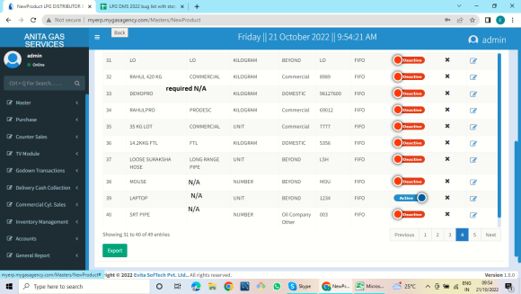 | 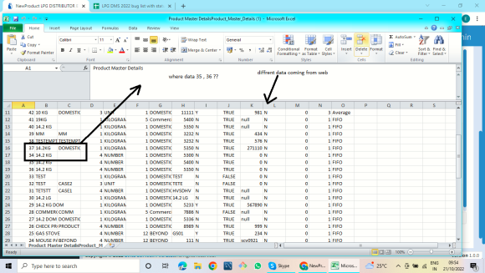
TS_lpg_005 | Verify the genral master -> product category master functionality of lpg dms | TC_lpgdms_gm_productcategorymaster_001 | Verify product category master form functionality export btn | 1.user login to lpg dms 2.click on master ->genral master->product category master 3.dick on export btn ->open downloaded xml file -check same as web supplier master list or not | product category master | same record as per web | same count as per web=18 but product id sequence wrong | fail | high | Maya | same count as per web=18 but product id sequence wrong | 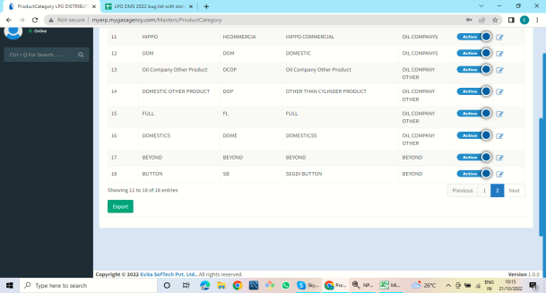 | 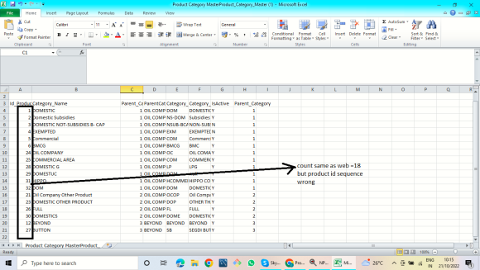
TS_lpg_006 | Verify the genral master -> product rate slab master functionality of lpg dms | TC_lpgdms_gm_productrateslabmaster_001 | Verify product rate slab master form functionality export btn | 1.user login to lpg dms 2.clcik on master ->genral master->product rate slab master ->detailed list >click on export btn->open downloaded xml sheet->check sheet same as per web supplier master list records or not | product rate slab | same record as per web | need proper sequence ->43 count id missing ->these shown in after 51 | fail | high | Maya | 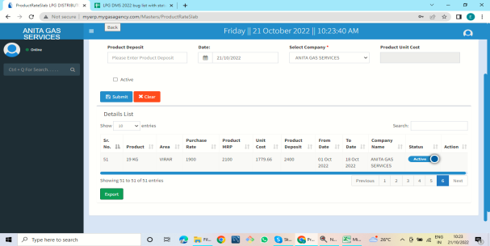 need proper sequence |  | 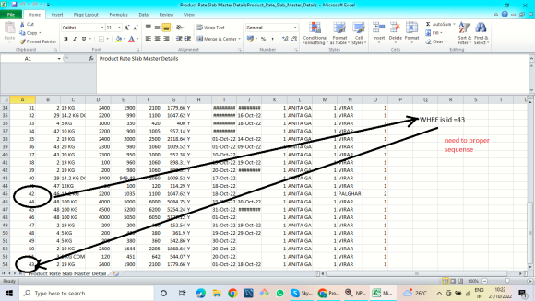
TS_lpg_007 | Verify the genral master ->supplier master functionality of lpg dms | TC_lpgdms_gm_suppliermaster_001 | Verify supplier master form functionality supplier name textbox | 1.user login to lpg dms 2.click on master ->genral master->supplier master ->enter supplier name it allows 30 digit chracters only | supplier name :mmmmmmmmmmmmmmmmm | supplier name textbox accpet only 30 chracters | supplier name textbox shoulde not accpet only 30 chracters it accpet multiple characters and numbers | fail | high | Maya | 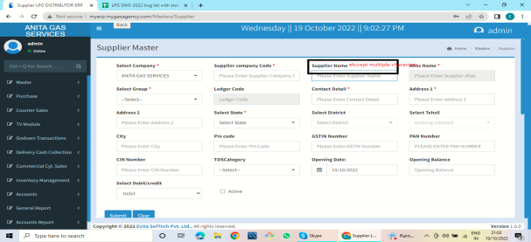 supplier name accpet mutiple charactes andd numbers
TS_lpg_008 | Verify the genral master ->supplier master functionality of lpg dms | TC_lpgdms_gm_suppliermaster_002 | Verify the genral master ->supplier master web list data functionality of lpg dms | 1.user login to lpg dms 2.click on master ->genral master->supplier master ->check data show null field | supplier master data :null | all filled shows | show null data | fail | high | Maya | required null to-> N/A | 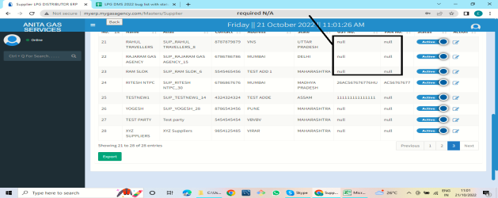
TS_lpg_009 | Verify the genral master ->supplier master functionality of lpg dms | TC_lpgdms_gm_suppliermaster_003 | Verify the genral master ->supplier master export btn functionality of lpg dms | 1.user login to lpg dms 2.click on master ->genral master->supplier master ->click on export btn ->open downloaded xml sheet ->check all data same as web or not | supplier master ->export btn | same record as per web | sequence not proper | fail | high | Maya | sequence not proper |  | 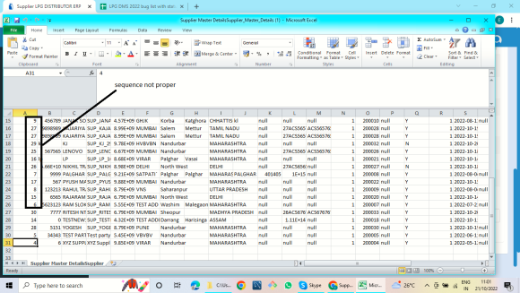
TS_lpg_0010 | Verify the genral master ->Transporter Master functionality of lpg dms | TS_lpg_transportermaster001 | Verify the genral master ->transporter master transport name functionality of lpg dms | 1.user login to lpg dms 2.click on master ->genral master->transporter master ->enter transport name it not allows multiple chharacters | transport name :mmmmmmmmmmmmmmmmmmmmmmmmmmmmmmmmm | transport name text box accept only 30 chracters | it allows multiple charactes and numbers | fail | high | Maya | accept multiple characters and numbers | 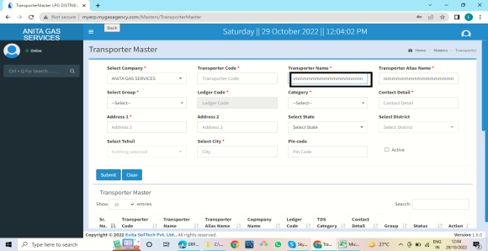
TS_lpg_0011 | Verify the genral master ->Transporter Master functionality of lpg dms | TS_lpg_transportermaster002 | Verify the genral master ->transporter master clear btn functionality of lpg dms | 1.user login to lpg dms 2.click on master ->genral master->transporter master ->select company from dropdown 2.enter valid 20 digit transport code 3.enter transport name ->select group from dropdown 4.select category from dropdown ,enter contanct details 10 digit number 5.enter address and select enter city click on clear btn | transporter master ->clear btn | clear all field | clear all field but category dropdown not cleared | fail | high | Maya | category dropdown not cleared | 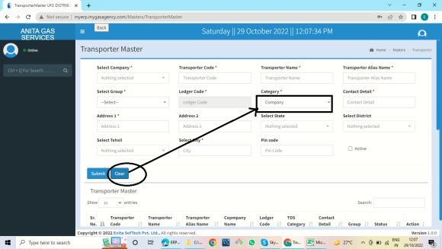
TS_lpg_0012 | Verify the genral master ->Transporter Master functionality of lpg dms | TS_lpg_transportermaster003 | Verify the genral master ->transporter master export btn functionality of lpg dms | 1.user login to lpg dms 2.click on master ->genral master->transporter master ->click on export btn ->open downloaded xl sheet ->check same as web or not | transporter master ->export btn | same record as per web | not same data ,sequence wrong ,changing data each row each other | fail | high | Maya | not same data ,sequence wrong ,changing data each row each other | 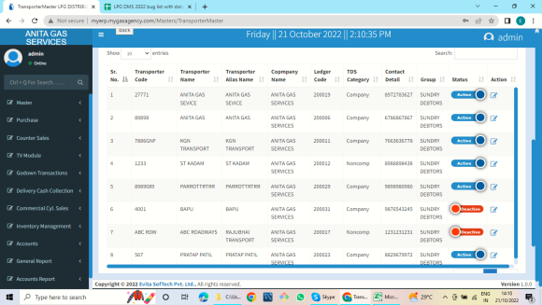 | 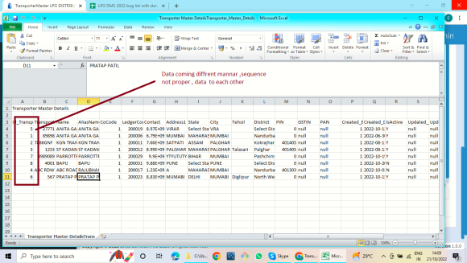
TS_lpg_0013 | Verify the genral master ->commercial party Master functionality of lpg dms | TS_lpg_commercialparymaster001 | Verify the genral master ->commmercial party master business name textbox functionality of lpg dms | 1.user login to lpg dms 2.click on master ->genral master-commercial party master ->enter business name ->it allows 30 characters | business name :mmmmmmmmmmmmmmmmmmmmmmmmmmmmmmmmm | textbox accept only 30 characters | business name textbox accept multiple characters and numbers | fail | high | Maya | 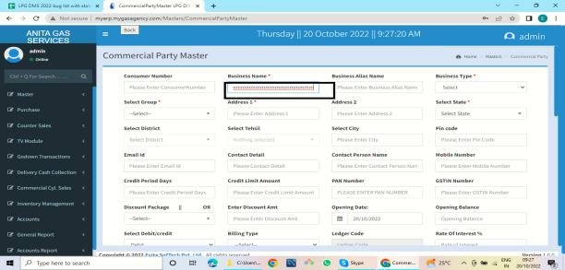 textbox accpet multiple characters
TS_lpg_0014 | Verify the genral master ->commercial party Master functionality of lpg dms | TS_lpg_commercialparymaster002 | Verify the genral master ->commmercial party master clear btn functionality of lpg dms | 1.user login to lpg dms 2.click on master ->genral master->commercial party master->enter consumer number ,enter business name,select business type,select group, address 1 ,select state,clcik on active checkbox ,enter product,qauntity,opening cycle 3.clcik on clear btn | commercial party master | clear all field | clear all field but select group dropdown not cleared | fail | high | Maya | select group dropdown not cleared | 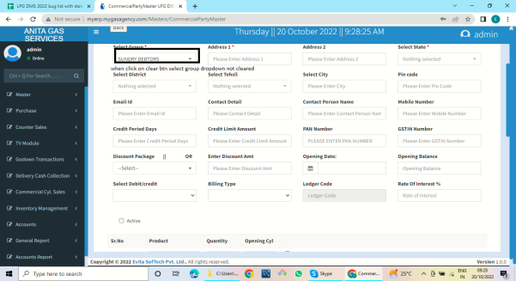
TS_lpg_0015 | Verify the genral master ->commercial party Master functionality of lpg dms | TS_lpg_commercialparymaster003 | Verify the genral master ->commmercial party master export btn functionality of lpg dms | 1.user login to lpg dms 2.click on master ->genral master->commercial party master->click on commercial party list->click on export btn->download xlsheet->open->check all functionality as per web | commercial party master->export btn | same record as per web | sequence not proper ,diffrent data coming from web | fail | high | Maya | count ok but sequence wrong | 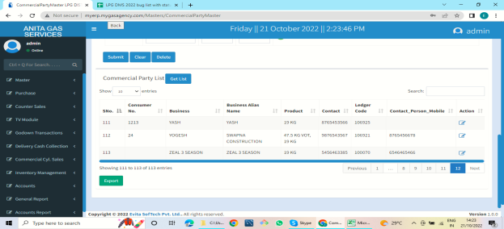 | 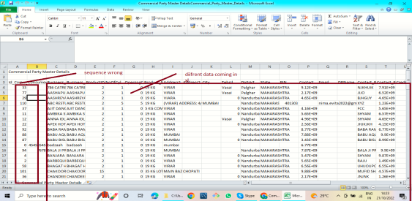
TS_lpg_0016 | Verify the genral master ->employee Master functionality of lpg dms | TS_lpg_employeemaster001 | Verify the genral master ->employee master firstname,lastname,middlename textbox functionality of lpg dms | 1.user login to lpg dms 2.click on master ->genral master->click on employee master->enter fistname middelname and lastname, it allows 30 characters only | employee master | textbox accept 30 characters only | it accept above 30 characters and numbers | fail | high | Maya | accept multiple charactes and numbers | 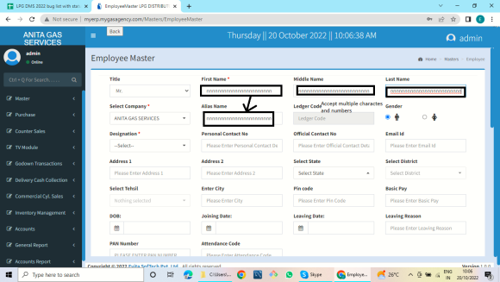
TS_lpg_0017 | Verify the genral master ->employee Master functionality of lpg dms | TS_lpg_employeemaster002 | Verify the genral master ->employee master export btn functionality of lpg dms | 1.user login to lpg dms 2.click on master ->genral master->click on employee master->employee list->click on export btn ->open downloaded xl ->check all data same as per web or not | employee master->export btn | same record as per web | null data coming on web also in xl count are proper but sequence wrong,differnt data coming | fail | high | Maya | null data coming on web also in xl count are proper but sequence wrong,differnt data coming |  | 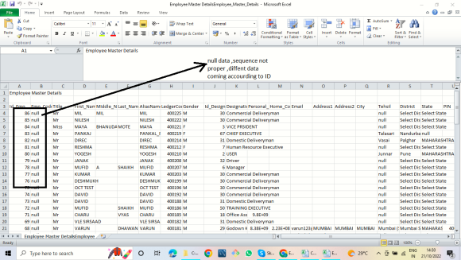
TS_lpg_0018 | Verify the genral master ->vehicle Master functionality of lpg dms | TS_lpg_vehicalmaster001 | Verify the genral master ->vehicle master functionality clear btn of lpg dms | 1.user login to lpg dms 2.click on master ->genral master->click on vehicle master->select transporter name from dropdown ,enter vehicle number it allows 13 charactrs ,select mode;l year from calender,select insurance from date from calender also insurance end date and select driver from dropdown ,clcik on active checkbox 3.clcik on clear btn | vehicle master->clear | clear all field | clear all field but select driver dropdown not working | fail | high | Maya | select driver dropdown is not cleared | 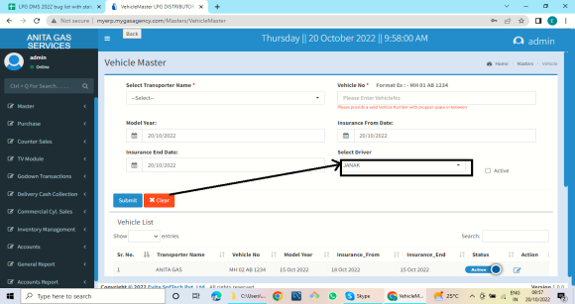
TS_lpg_0019 | Verify the genral master ->vehicle Master functionality of lpg dms | TS_lpg_vehicalmaster002 | Verify the genral master ->vehicle master functionality of lpg dms | 1.user login to lpg dms 2.click on master ->genral master->click on vehicle master->vehicle list ->click on export btn->open downloaded xlsheet->check all data same as per services master web list or not | vehicle master->export btn | same record as per web | in xl count showing decending order but data save as asending order also first name and empid filed is not necessary show in xl but not in web | fail | high | Maya | in xl count showing decending order but data save as asending order also first name and empid filed is not necessary show in xl but not in web | 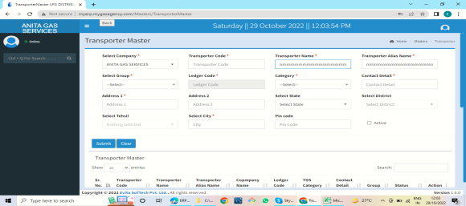 | 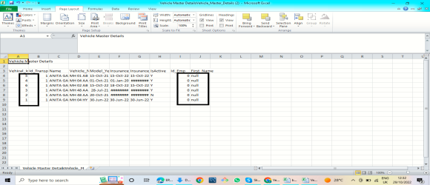
TS_lpg_0020 | Verify the genral master ->Services Master functionality of lpg dms | TS_lpg_servicesmaster001 | Verify the genral master ->Services Master clear btn functionality of lpg dms | 1.user login to lpg dms 2.click on master ->genral master->click on Services Master->enter valid service description,title ,alias name,service cost 3.select company from dropdown ,select type,enyter valid HSN Code 4. click pon checkbox active and is GST,click on .fill all details ->click on save btn 5. click on clear btn | Services Master->clear | clear all field | clear all field but select type dropdown not clear | fail | high | Maya | select type dropdown not cleared | 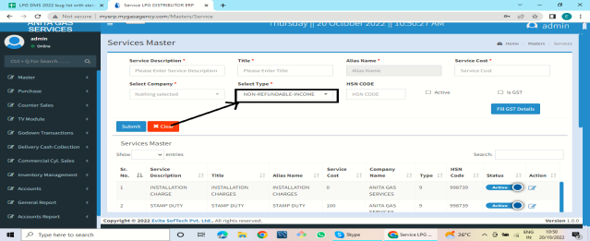
TS_lpg_0021 | Verify the genral master ->Services Master functionality of lpg dms | TS_lpg_servicesmaster002 | Verify the genral master ->Services Master "YES Update It"btn functionality of lpg dms | 1.user login to lpg dms 2.click on master ->genral master->click on Services Master->go to action menu click on edit btn->Click on "Yes Update It" btn | services Master->YES update it btn | data updated sucessfully | update btn not working also data not updated | fail | high | Maya | 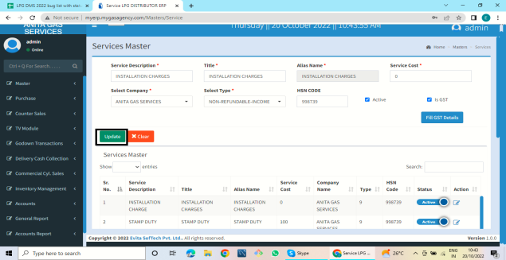 update btn not working
TS_lpg_0022 | Verify the genral master ->Godown Master functionality of lpg dms | TS_lpg_godownmaster001 | Verify the genral master ->Godown Master godown name field functionality of lpg dms | 1.user login to lpg dms 2.click on master ->genral master->Godown master ->enter godown name it allows 30 chracters only | godown name:Virar20222222222222222222222222222222222222222 | textbox accept 30 characters only | it accept above 3o charactes and multiple characters ,numbres | fail | high | Maya | 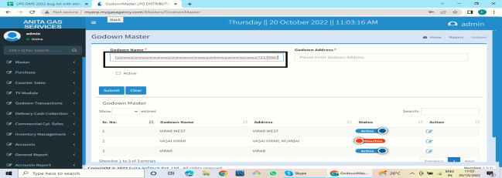 accept multiple characters
TS_lpg_0023 | Verify the genral master ->Godown Master functionality of lpg dms | TS_lpg_godownmaster002 | Verify the genral master ->Godown Master Yes Update It btn functionality of lpg dms | 1.user login to lpg dms 2.click on master ->genral master->Godown master ->action menu ->click on edit btn ->click on "Yes Update It btn" | godown master:Yes Update it | updated sucessfully | not updated godown master | fail | high | Maya | not updated | 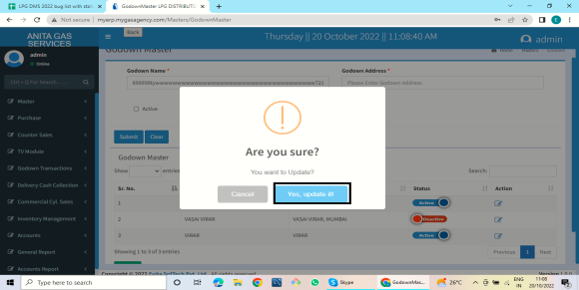
TS_lpg_0024 | Verify the functionality of lpg dms account master | TC_lpgdms_accountmasterbank/cashbankmaster_001 | verfify functionality of account master->bank/cashbankmaster->clear | 1.enter valid url 2.click master module 3.click on account master 4.click on new ledgers 5.click here text hyperlink OPEN BANK/CASH bank Master 2.select undergroup dropdown ,enter bankcode allow 10 digit numbers ,enter description,enter acc no allows 13 or less characters and numbers 3.select acc type from dropdown also select company 4.enter alias allows 30 charactes only ,click on active checkbox 5. click on clear btn | account master->bank/cashbankmaster->clear | all field is clear | all field is clear but select company dropdown not clear | fail | high | maya | all field is clear but select company dropdown not clear
TS_lpg_0025 | Verify the functionality of lpg dms account master | TC_lpgdms_accountmasterbank/cashbankmaster_002 | verify functionality of account master bank/cashbank submit | 1.enter valid url 2.click master module 3.click on account master 4.click on new ledgers 5.click here text hyperlink OPEN BANK/CASH bank Master ->go to bank master 6.click on action menu edit btn->click on "Yes Update It" btn | account master->bank/cashbankmaster->submit | updated sucessfully | show error msg"Procedure or function 'sp_InsertParam_Bank' expects parameter '@User', which was not supplied." | fail | high | maya | show error msg"Procedure or function 'sp_InsertParam_Bank' expects parameter '@User', which was not supplied." | 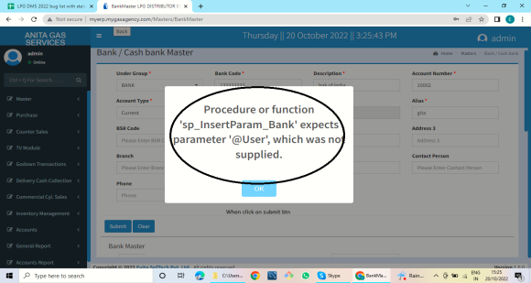
TS_lpg_0026 | Verify the functionality of lpg dms account master | TC_lpgdms_accountledger_001 | verfify functionality of account master-account ledger leger name | 1.enter valid url 2.click master module 3.click on account master 4.click on new ledgers 5. enter name of ledgers it allows only 30 characters | account ledger name :maya mote98457824 ndcejfhefcjhefvchrfbvjfb | it accept only 30 charactres | it accept mutiple characters and numbers | fail | high | maya | it accept mutiple characters and numbers | 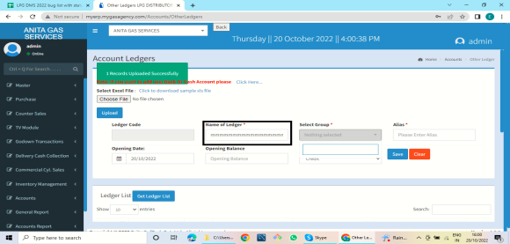
TS_lpg_0027 | Verify the functionality of lpg dms account master | TC_lpgdms_accountledger_002 | verify functionality of account master account ledger select group dropdown | account ledger->selectgroup dropdown |  | show dropdown list | not shows dropdown list | fail | high | maya | not shows dropdown list | 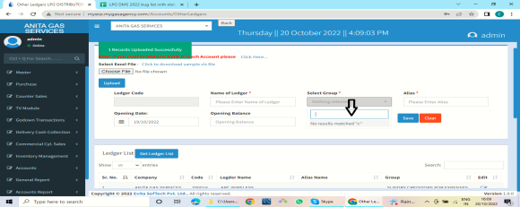
TS_lpg_0028 | Verify the functionality of lpg dms account master | TC_lpgdms_accountledger_003 | verfify functionality of account master account ledger submit btn | 1.enter valid url 2.click master module 3.click on account master 4.click on new ledgers 5. select group from dropdown 6. enter valid name and alias on textbox ,select datefrom calender ,enter opening balance it allows 10 digit numbers select debit/credit dropdown 7.click on save btn | account ledger ->submit btn | saved sucessfully | show error msg"Please Select Group." | fail | high | maya | show error msg"Please Select Group." | 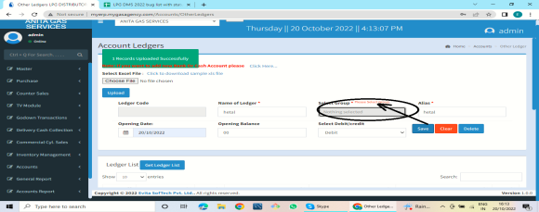
TS_lpg_0029 | Verify the functionality of lpg dms account master | TC_lpgdms_accountledger_004 | verfify functionality of account master account ledger clear btn | 1.enter valid url 2.click master module 3.click on account master 4.click on new ledgers 5. select group from dropdown 6. enter valid name and alias on textbox ,select datefrom calender ,enter opening balance it allows 10 digit numbers select debit/credit dropdown 7.click on clear btn | account ledger->clear btn | clear all field | not clear also show error msg"Please Select Group." | fail | high | maya | not clear also show error msg"Please Select Group." | 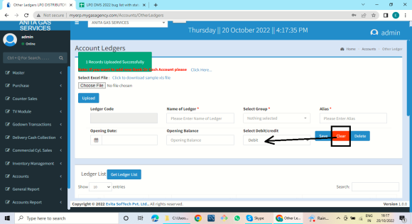
TS_lpg_0030 | Verify the functionality of lpg dms account master | TC_lpgdms_accountledger_005 | verfify functionality of account master account ledger delete btn | 1.enter valid url 2.click master module 3.click on account master 4.click on new ledgers 5. select group from dropdown 6. enter valid name and alias on textbox ,select datefrom calender ,enter opening balance it allows 10 digit numbers select debit/credit dropdown 7.click delete btn | account ledger->delete btn | deleted sucessfully | not delete also show error msg" Please Enter Ledger Code" | fail | high | maya | not delete also show error msg" Please Enter Ledger Code" | 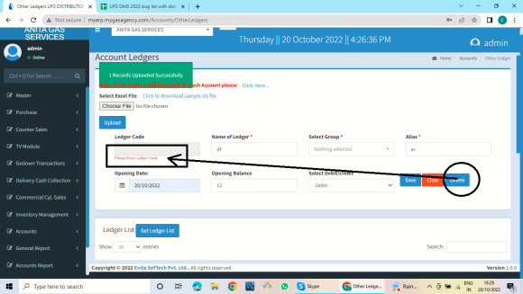
TS_lpg_0031 | Verify the functionality of lpg dms account master | TC_lpgdms_accountledger_006 | verfify functionality of account master account ledger Yes Update It btn | 1.enter valid url 2.click master module 3.click on account master 4.click on new ledgers 5.go to ledgers list ->go to action menu ->clcik on edit btn->click on "Yes Update It" btn ->modify and click on update btn | account ledger ->Yes Update It btn | updated sucessfully | not delete also show error msg"Please Select Group." | fail | high | maya | not delete also show error msg"Please Select Group." | 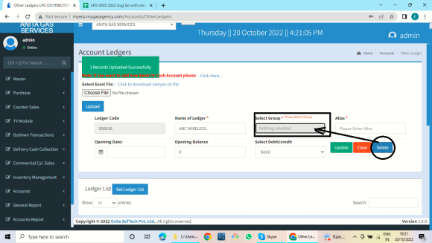
TS_lpg_0032 | Verify the functionality of lpg dms account master | TC_lpgdms_accountledger_007 | verfify functionality of account master account ledger export btn | 1.enter valid url 2.click master module 3.click on account master 4.click on new ledgers 5.go to ledgers list ->click on export btn | account ledger->export btn | download xl sheet file | not download file | fail | high | maya | not download file | 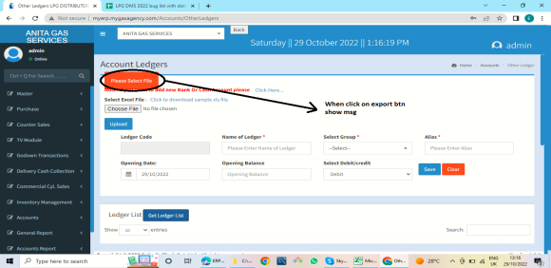
TS_lpg_0033 | Verify the functionality of lpg dms account group master | TC_lpgdms_accountgroup_001 | verfify functionality of account group master ->clear btn | 1.enter valid url 2.click master module 3.click on account master 4.click on account group master 5.enter description,select primary and secondary from dropdown,select type ,select effect click on clear btn | account group ->clear | all field is clear | only description textbox are cleared but all dropdown not cleared | fail | high | maya | only description textbox are cleared but all dropdown not cleared | 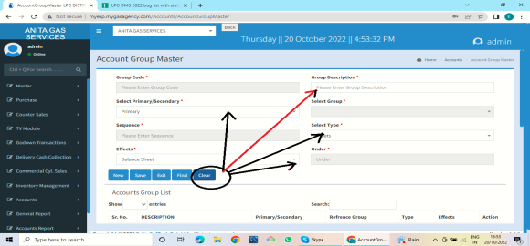
TS_lpg_0034 | Verify the functionality of lpg dms account group master | TC_lpgdms_accountgroup_002 | verfify functionality of account group master->all btn | 1.enter valid url 2.click master module 3.click on account master 4.click on account group master 5.enter description,select primary and secondary from dropdown,select type ,select effect click on new btn,find btn,exit btn check btn is clcikable or not | account group ->all btn | all btn is clickable or working | all btn is clickable but not working or not done any function | fail | high | maya | all btn is clickable but not working or not done any function | 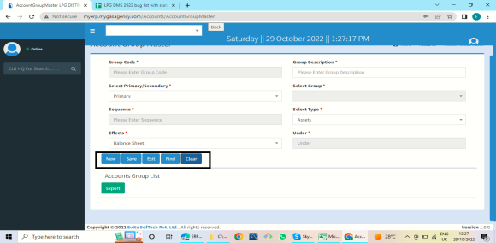
TS_lpg_0035 | Verify the functionality of lpg dms account group master | TC_lpgdms_accountgroup_003 | verfify functionality of account group master ->export btn | 1.enter valid url 2.click master module 3.click on account master 4.click on account group master->account group list->click on export btn | account group->export btn | download xml file | not download file | fail | high | maya | not download file | 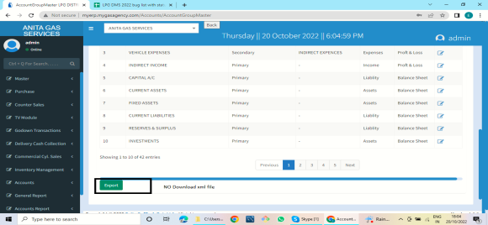
TS_lpg_0036 | Verify the functionality of lpg dms add company | TC_lpgdms_add company_001 | verfify functionality of add company->clear btn | 1.enter valid url 2.click master module 3.click on account master 4.click on add company 5.enter valid firstname ,lastname it allows 30 charactes ,enter contanct number ,allows 10 digit numbers only enter valid owner email ,enter company name allows 30 digit characters ,enter company code ,city,pincode,email,contanct number1,address1,PAN Number,GSTIN number ,click on active status click on clear btn | add company ->clear btn | clear all mandatory field | not madetory dropdown not clear | fail | high | maya | dropdown not clread non mandatory | 